Blank template
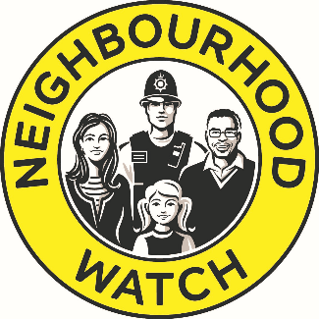

Neighbourhood Watch Network Community Grants
Budget Form

Association/Scheme/Group Name
Title of your project
Contact name

Amount of grant you are applying for |  | £200.00

Item | Description | Cost
Example item 1 | Example description 1 | £80.00

Total |  | £80.00

Example
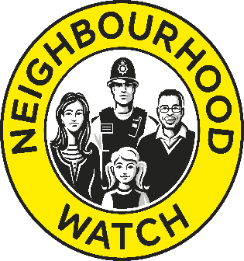

Neighbourhood Watch Network Community Grants
Budget Form

Association/Scheme/Group Name | High Street Scheme, Nowhereshire
Title of your project | Community Listening Event
Contact Name | Amy Jones

Total cost of project | £400
Amount of grant you are applying to NW for | £300
Please tell us where any outstanding funding will come from | Outstanding £100 donated by local Councillor

What will NW grant cover?
Item | Description | Cost
Venue | Local community space | £35

Refreshments | Coffee, tea & snacks x 30 people | £90.00

Marketing/publicity | Printing leaflets x 500 | £25.00

Thank you incentives | £5 vouchers x 30 | £150.00

Total |  | £300.00

